Long term
Priority | Type | Description | Comments | Department | User | Cr. Date | Ticket | Est. Start | Est. Duration | Notes
 | Application | AEP Cataloguing Progress Report |  | Pricing | Stephen | 2017-11-17 | 19296 |  | TBA
 | Application | PIA Cataloguing Progress Report |  | Pricing | Stephen | 2017-11-17 | 19290 |  | TBA
 | Auto-Extract | Stock Supplier Receipt History | Summary file to optimiza - daily schedule | Procurement | Samantha | 2017-11-20 | 19387 |  | 4d | Code completed, implement in schedular and monitor for correctness
 | Crystal Rpt | Items not resolving price | Review duplicate price calc code needed to optimise reporting needs against real-time single item SP. | Pricing, Sales | Stephen | 2017-11-20 | 19389 |  | 5d | 1st review indicated massive slow-down if single item SP used in bulk report.
 | Crystal Rpt | Writedown Exceptions | Exclude specific SKU's from Optimiser | Procurement | Stephen | 2017-11-20 | 19390 |  | 3d | Extract SQL done, create SP & Crystal report
 | Upgrade | Scanning of Multi-page PODs | Change code to add additional scanned pages. Ensure compatability to Builder C++ viewer | Despatch | Samuel | 2018-01-31 | 25365 |  | 4d | Java Web based
 | Investigate | Fix old items on creditors suspense | Suspense GL Acc must = 0 & is not | Receiving | Samuel, Candice | 2017-11-07 | 25872 |  | 3d | Review if still part of daily recon requirements against X3
Low | Upgrade | Applications to start up even if EPLoader unavailable | Tomcat proxy server must be up & running. Poor cust experience | IT | Jaco | 2018-11-22 |  |  | 5d | Change C++ fat client loader, test & monitor auto customer distribution
 | Upgrade | EPLoader to have multiple exe, dlls etc. sources | Allow for load balancer of image & exe distribution | IT | Jaco | 2018-11-22 |  |  | 6d | Change C++ fat client loader, test & monitor auto customer distribution
 | Crystal Rpt | Input and Output VAT Report |  | Finance | Candice | 2018-03-14 | 29497 |  | 3d
 | Application | Automated periodic invoice e-mailer (other reports too) | New development | IT | Samuel | 2018-07-12 | 43714 |  | 10
 | Upgrade | Claim paid checkbox |  | Claims | Candice | 2018-10-09 | 67452 |  | 2d | Change frontend and test monotor functionality
 | Application | Refunding by original payment method | Create a report with payment and other details - full lifecycle. Extract detail on demand only when paid for sale is returned / cancelled | Finance | Candice | 2018-10-16 | 69325 |  | 6d | Note: Payment & monies returned can become complex - only report on activity without proposing how to conclude
 | Fix | Error on purchase order capturing (workaround in place) | Detail research needed | Procurement | Stephen | 2018-10-19 | 71665 |  | 4d | May require more time if difficult to find problem
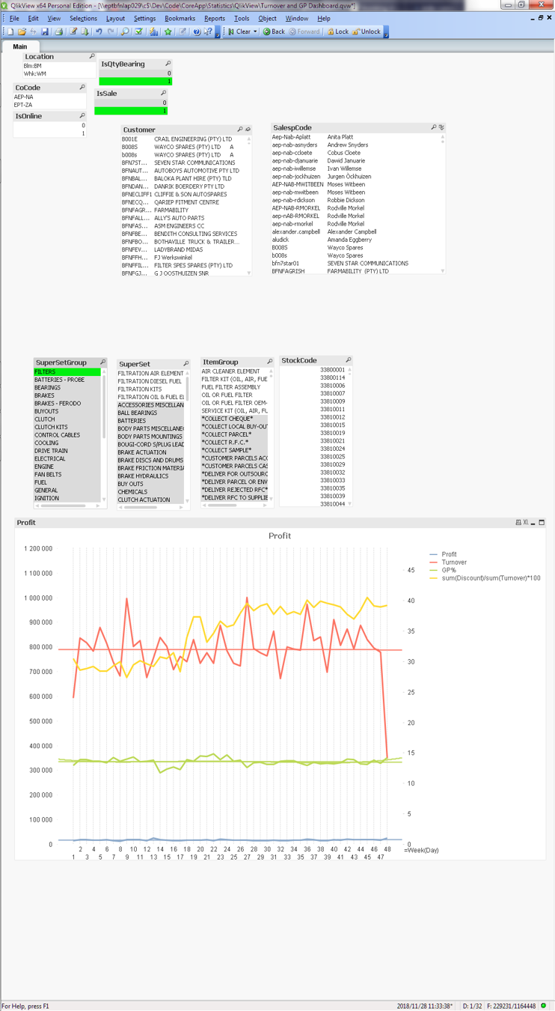
 | Investigate | How Windhoek can manage CODs |  | Windhoek | Anita | 2018-10-25 | 73102 |  | TBA
 | Modify | X3 Shift Consolidation | Create summary of cashier shift for integration to X3. Change request received | Finance | Candice, Sherwin | 2018-11-08 | 76573 |  | TBA | Review requirement & ascertain if granularity loss may create secondary issues
1 | Implement | GP Monitoring Implementation (Cliqview) | Facts gathering Get region allocations Add region statistics Presentation Scope document is available (Git) | Management | Deon | 2018-11-15 |  | 2018-11-21 | Phase 1 5 days | 1st Phase QlickView accepted positively Refinement being implemented Desktop installation to follow. Planning additional views and filters
 | Fix | Record/Key Deleted on catMaintainSupplierPartPrice | It's not stopping work, but it is a nuisance and a slight slowdown. I should check account AT4 to reproduce the problem. | Procurement | Stephen | 2018-11-22 | 81577 |  | TBA

QclickView progress

